data
Item | Is Related To Item | Style Name | Properties
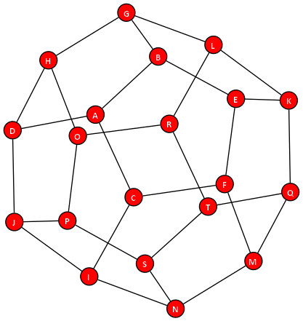
node |  | Small Red Dot
edge |  | Flow
A | B,C,D
B | A,E,G
C | A,F,I
D | A,H,J
E | B,F,K
F | C,E,M
G | B,H,L
H | D,G,O
I | C,J,N
J | D,I,P
K | E,L,Q
L | G,K,R
M | F,N,Q
N | I,M,S
O | H,P,R
P | J,O,S
Q | K,M,T
R | L,O,T
S | N,P,T
T | Q,R,S

styles
Style Name | Description | Format | Properties | Style Type | All Styles | No Clusters | No Edges
node |  |  |  | node | yes | yes
edge |  |  |  | edge | yes | yes
subgraph-open |  |  |  | subgraph-open | yes | no |  | 
subgraph-close |  |  |  | subgraph-close | yes | no
keyword |  |  |  | keyword | yes | yes
native |  |  |  | native | yes | yes
Border 0 Begin |  | penwidth=2 fontname="Calibri Bold" fontsize=16 margin=18 |  | subgraph-open | yes | no |  | 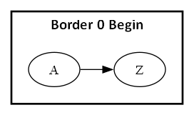
Border 0 End |  |  |  | subgraph-close | yes | no
Border 1 Begin |  | penwidth=1 colorscheme=pastel16 fillcolor=6 fontname="Calibri Bold" fontsize=12 style=filled margin=18 |  | subgraph-open | yes | no |  | 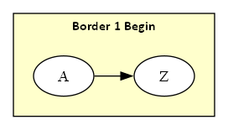
Border 1 End |  |  |  | subgraph-close | yes | no
Border 2 Begin |  | penwidth=1 colorscheme=pastel16 fillcolor=5 fontname="Calibri Bold" fontsize=12 style=filled margin=18 |  | subgraph-open | yes | no |  | 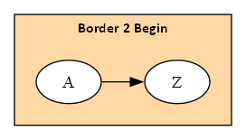
Border 2 End |  |  |  | subgraph-close | yes | no
Border 3 Begin |  | penwidth=1 colorscheme=pastel16 fillcolor=4 fontname="Calibri Bold" fontsize=12 style=filled margin=18 |  | subgraph-open | yes | no |  | 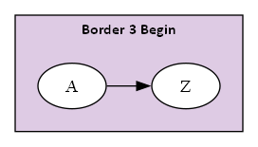
Border 3 End |  |  |  | subgraph-close | yes | no
Border 4 Begin |  | penwidth=1 colorscheme=pastel16 fillcolor=3 fontname="Calibri Bold" fontsize=12 style=filled margin=18 |  | subgraph-open | yes | no |  | 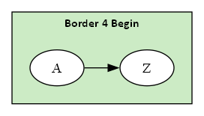
Border 4 End |  |  |  | subgraph-close | yes | no
Border 5 Begin |  | penwidth=1 colorscheme=pastel16 fillcolor=2 fontname="Calibri Bold" fontsize=12 style=filled margin=18 |  | subgraph-open | yes | no |  | 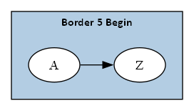
Border 5 End |  |  |  | subgraph-close | yes | no
Component |  | shape=component height="0.75" width="1.25" fixedsize=True fillcolor=White fontname=Calibri fontsize=10 style=filled |  | node | yes | yes
Decision |  | shape=diamond height="0.75" width="1.25" fixedsize=True fillcolor=White fontname=Calibri fontsize=10 style=filled |  | node | yes | yes
Event |  | shape=rectangle height="0.375" width="1.25" fixedsize=True fillcolor=White fontname=Calibri fontsize=10 style="rounded,filled" |  | node | yes | yes
Extract |  | shape=triangle height="0.75" width="1.25" fixedsize=True fillcolor=White fontname=Calibri fontsize=10 style=filled |  | node | yes | yes
File |  | shape=note height="0.75" width="0.5" fixedsize=True fillcolor=White fontname=Calibri fontsize=10 style=filled |  | node | yes | yes
Folder |  | shape=folder height="0.5" width="0.75" fixedsize=True fillcolor=White fontname=Calibri fontsize=10 style=filled |  | node | yes | yes
Flow |  | fontname=Calibri fontsize=10 |  | edge | yes | yes
Flow - Dotted |  | fontname=Calibri fontsize=10 weight=100 decorate=false style=dotted arrowsize="0.5" |  | edge | yes | yes
Flow - Negative |  | fontname=Calibri fontsize=10 weight=100 decorate=false color=red fontcolor=red |  | edge | yes | yes
Flow - Positive |  | fontname=Calibri fontsize=10 weight=100 decorate=false color=darkgreen fontcolor=darkgreen |  | edge | yes | yes
Input |  | shape=parallelogram height="0.75" width="1.25" fixedsize=True fillcolor=White fontname=Calibri fontsize=10 style=filled |  | node | yes | yes
Invisible Edge |  | style=invis color=Invis |  | edge | yes | yes
Invisible Point |  | shape=point fillcolor=Invis color=Invis style=filled |  | node | yes | yes
Manual Operation |  | shape=invtrapezium height="0.75" width="1.25" fixedsize=True fillcolor=White fontname=Calibri fontsize=10 style=filled |  | node | yes | yes
Merge |  | shape=invtriangle height="0.75" width="1.25" fixedsize=True fillcolor=White fontname=Calibri fontsize=10 style=filled |  | node | yes | yes
Off Page Reference |  | shape=invhouse height="0.625" width="0.625" fixedsize=True fillcolor=White fontname=Calibri fontsize=10 style=filled |  | node | yes | yes
On Page Reference |  | shape=circle height="0.625" width="0.625" fixedsize=True fillcolor=White fontname=Calibri fontsize=10 style=filled |  | node | yes | yes
Output |  | shape=parallelogram height="0.75" width="1.25" fixedsize=True fillcolor=White fontname=Calibri fontsize=10 style=filled |  | node | yes | yes
Point |  | shape=point |  | node | yes | yes
Predefined Process |  | shape=rectangle height="0.75" width="1.25" fixedsize=True fillcolor=White fontname=Calibri fontsize=10 style="diagonals,filled" |  | node | yes | yes
Preparation |  | shape=hexagon height="0.75" width="1.25" fixedsize=True fillcolor=White fontname=Calibri fontsize=10 style=filled |  | node | yes | yes
Process |  | shape=rect height="0.75" width="1.25" fixedsize=True fillcolor=White fontname=Calibri fontsize=10 style=filled |  | node | yes | yes
Stop |  | shape=octagon height="0.75" width="0.75" fixedsize=True color=Red fillcolor=white fontname=Calibri fontsize=10 style=filled |  | node | yes | yes
Small Red Dot |  | shape=circle width="0.25" fixedsize=true fontname="Calibri Bold" fontsize=10 style=filled fontcolor=white fillcolor=red |  | node | yes | yes

